1. Title Page
[Sales & Customer Analysis Feb-2022]

Project Name: Sales & Customer Analysis Feb-2022
Date: 20th Feb 2022
Analyst Name: Farid Chehraz

Contents:
Population Flow
Consistency checks
Wrangling steps
Column derivations
Visualizations
Recommendations

Data Source
“The Instacart Online Grocery Shopping Dataset 2017”, Accessed from https://www.instacart.com/datasets/grocery-shopping-2017 on 20th Feb 2022

Project Objectives
Instacart already has very good sales, but the company wants to uncover more information about sales patterns. The objective of this project is to perform an initial data and exploratory analysis of some of the data in order to derive insights and suggest strategies for better segmentation based on the provided criteria.

2. Population Flow
Title page

Population flow

Exclusion flag
Condition: max_order < 5
Obervations to be removed: 1,441,570
Final total count of order_products_all: 30,993,489

Orders_products_combined
Orders_products_merged
Orders_products_all

Total: 32,435,059
Total: 32,434,489
Total: 32,435,059

3. Consistency checks
 |  |  |  | Title page
Consistency checks

Dataset | Missing values | Missing values treatment | Duplicates
orders | 206,209 NaN in days_since_prior_order | n/a: assumption taken that rows related to new customers | n/a
products | 16 NaN in product name | Removed rows with missing product names | Removed 5 duplicate rows
orders_products_prior | n/a | n/a | n/a
customers | n/a | n/a | n/a
final_df | Product prices >100 | Changed to NaN / missing as there were a number of product prices as high as 99,999

4. Wrangling steps
 |  |  |  |  | Title page
Wrangling steps

Data set | Columns dropped | Columns renamed | Columns' type changed | Comment/Reason
orders | eval_set |  |  | Not needed
orders |  |  | order_id to string | Not a calculation field
orders |  |  | user_id to string | Not a calculation field
orders |  | order_hour_of_the_day : hour_order_made |  | More intuitive column name
orders |  | order_dow : orders_day_of_week |  | More intuitive column name
customers | First Name, Surnam |  |  | Personally identifiable data
customers |  | Gender' : 'gender |  | Consistent naming convention
customers |  | Age' : 'age |  | Consistent naming convention
customers |  | n_dependants' : 'no_dependents |  | Consistent naming convention
customers |  | STATE' : 'state |  | Consistent naming convention

5. Column derivations
 |  |  |  | Title page

Column derivations and aggregations

Dataset | New column | Column/s it was derived from | Conditions
df_ords_prods_merged | price_range_loc | prices | if 'prices': <5 then 'low' between 5 and 15 then 'mid' >15 then 'high'
df_ords_prods_merged | busiest_day | orders_day_of_week | if day of the week with most orders then 'Busiest day' else if day of the week with least orders then 'Least busy' else 'regularly busy'
df_ords_prods_merged | busiest_period_of_day | order_hour_of_day | Categorise periods of day according to number of orders
df_ords_prods_merge | loyalty_flag | max_order | if max_order: >40 then 'loyal customer' else if between 11 and 40 then 'Regular customer' else up to 10 then 'New customer'
df_ords_prods_merged | avg_order_cost_by_cust | user_id / prices | Average price per user
df_ords_prods_merged | spender_flag | avg_order_cost_by_cust | If average price: 10 or higher then 'High spender' else <10 then 'low spender'
df_ords_prods_merged | cust_frequency | user_id / days_since_prior_order | Median days since last order
df_ords_prods_merged | frequency_flag | cust_frequency | If median days since last order: >20 then 'non-frequent customer' else if between 10 and 20 then 'regular customer' else if 10 or less then 'frequent customer'
sales_cust | Region | state | Categorise customer state by region based on lists
sales_cust | activity_flag | max_order | Categorise customers based on max order
final_df | Generation | age | Categorise customers by generation based on age
final_df | Income Bracket | income | Categorise customers by generation based on income brackets
final_df | Cust_profile | Income Bracket / Generation / No_dependents | Categorise customers by pre-defined profiles based on age, income and number of dependents

6. Visualizations
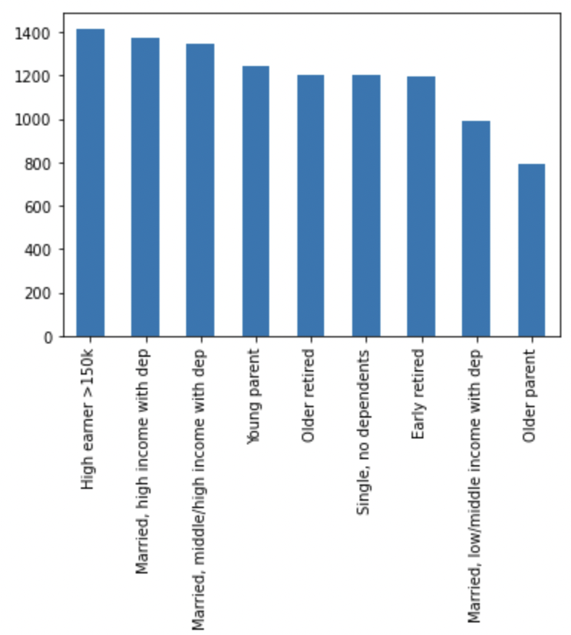
 |  |  |  |  |  |  |  | Title page

Visualisations

The sales team needs to know what the busiest days of the week and hours of the day are (i.e., the days and times with the most orders) in order to schedule ads at times when there are fewer orders.

Saturday and Sunday see the most orders whilst midweek Tuesday and Wednesday are least bus. |  |  |  |  | Most orders are made between 10am and 3pm. The busiest period is the afternoon, followed by the evening and then morning.

 | Number of orders by day of the week |  |  |  |  |  | Number of orders by hour of the day
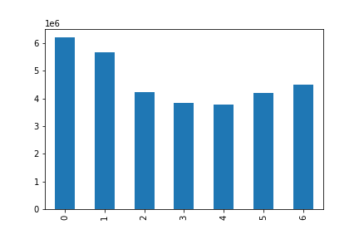
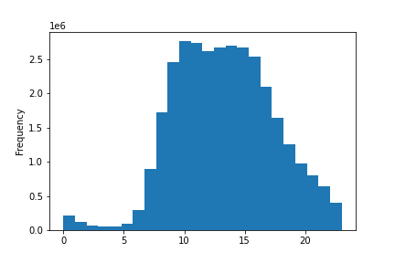
 |  |  |  | Legend:
 |  |  |  | 0 = Saturday
 |  |  |  | 1 = Sunday
 |  |  |  | 2 = Monday
 |  |  |  | 3 = Tuesday
 |  |  |  | 4 = Wednesday
 |  |  |  | 5 = Thursday
 |  |  |  | 6 = Friday

They also want to know whether there are particular times of the day when people spend the most money, as this might inform the type of products they advertise at these times.

Customers spend the most between 2am and 7am which interestingly is when the lowest number of orders is made
Conversely, customers spend the least when the most orders are made c.10am

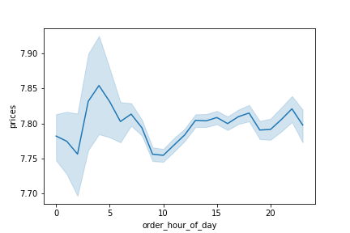
 | Expenditure throughout the day

Instacart has a lot of products with different price tags. Marketing and sales want to use simpler price range groupings to help direct their efforts.

Most products are priced between 1 and 15.
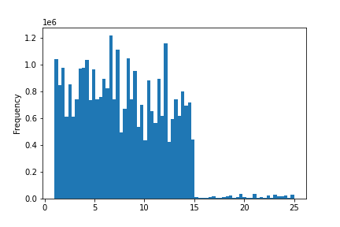
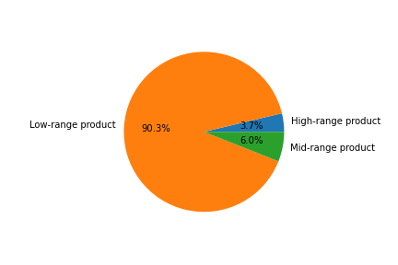
 | Price Distribution |  |  |  |  | Price Distribution

 |  |  |  |  |  |  |  |  |  | Low range 0-5
 |  |  |  |  |  |  |  |  |  | Mid range 5-15
 |  |  |  |  |  |  |  |  |  | High range >15

Are there certain types of products that are more popular than others? The marketing and sales teams want to know which departments have the highest frequency of product orders.

The Produce department sees the most orders by a large margin, followed by Dairy eggs and then Snacks.
The least popular departments are Other and Bulk.

 |  |  | Order Frequency by Department
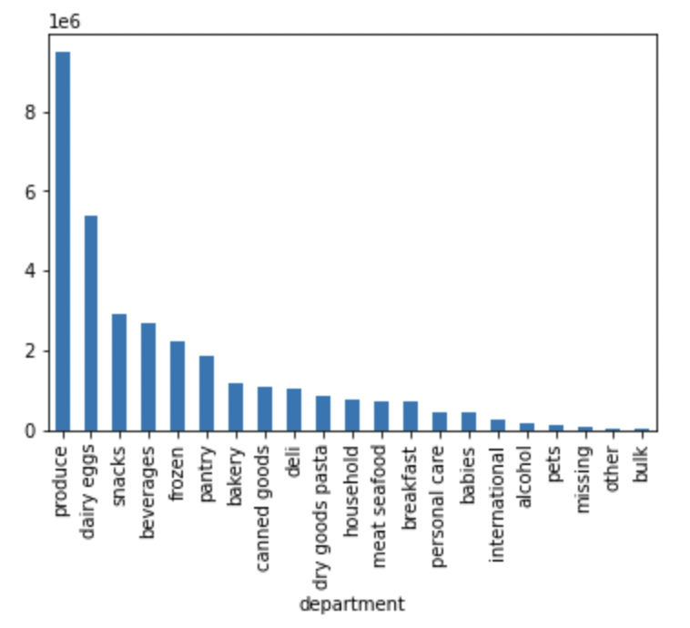

What’s the distribution among users in regards to their brand loyalty (i.e., how often do they return to Instacart)?

Almost half of customers fall into the 'Regular customer' category and 32% fall under 'Loyal customer'.

 |  | Customer Loyalty (Max orders)
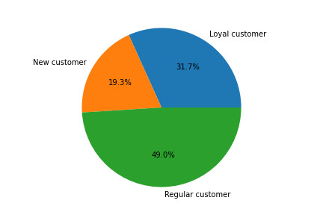

Are there differences in ordering habits based on a customer’s region?

Nothing significant to note on spending habit across regions

 |  | Ordering Department by Region
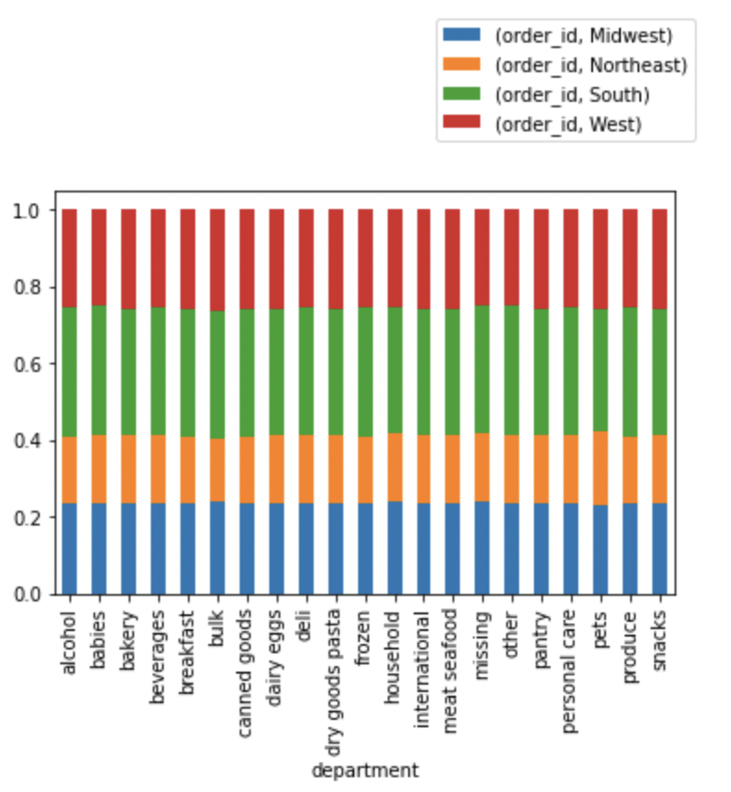

What different classifications does the demographic information suggest? Age? Income? Certain types of goods? Family status?

Customer incomes are relatively steady up until the age of 40 at which point there is a notable increase from 20k-40 to 30k to 60k range.

 |  | Income and Age
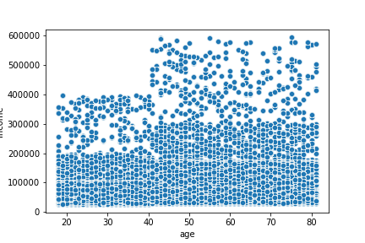

More than half of the customer base is made up of Baby boomers and Generation X
The Millennial generation only makes up a quarter of customers

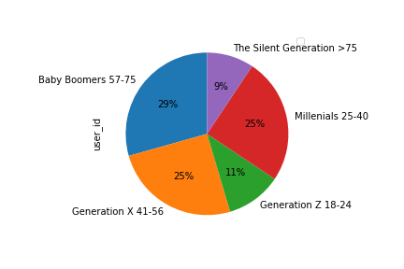
 |  | Customer Generations

Most sales are expectedly made up by Baby boomers and Generation X.
Interestingly, Millennials generate sales in line with Generation X.

 |  | Sales by Generation
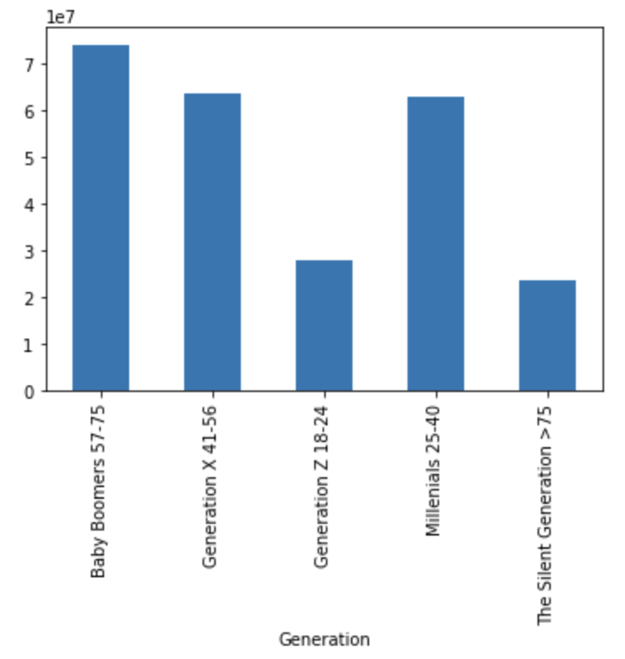

Middle/high income earners account for the largest number of customers and the highest value of sales
No surprising that low earners make up a bigger proportion of customers than high earners but account for lower sales

 |  | Customers by Income Bracket |  |  |  |  |  |  | Sales by Customer Income Bracket
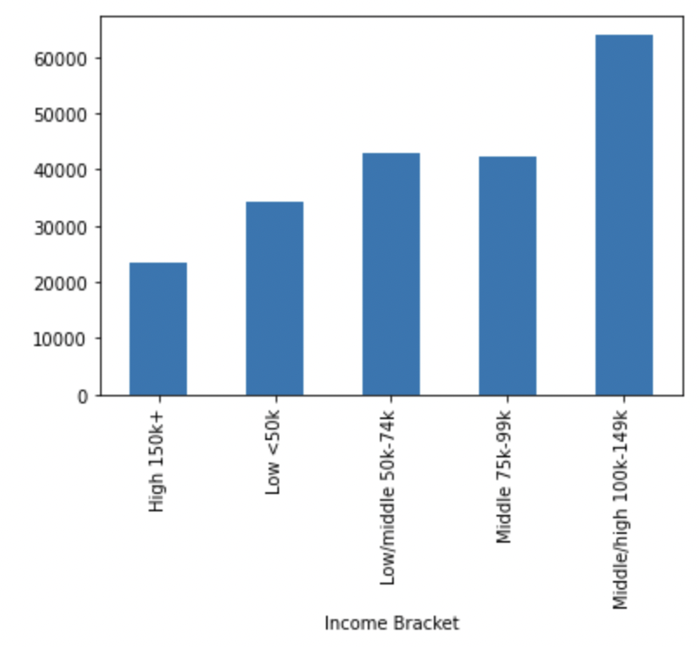
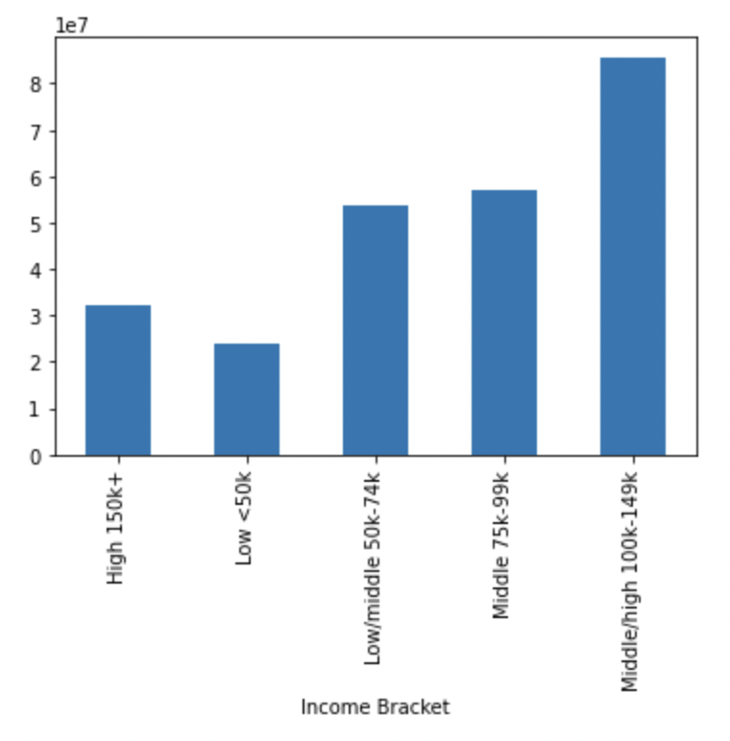

Married customers make up the largest family status group and also account for the biggest share of sales
The lowest share both in terms of number of customers and sales is the 'living with parents/siblings category'.

 |  | Customers by Family Status |  |  |  |  |  |  | Customers by Family Status
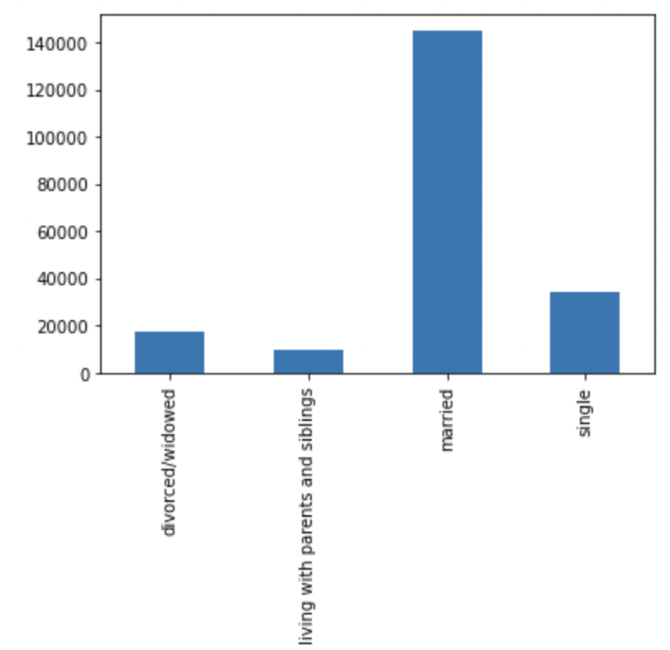
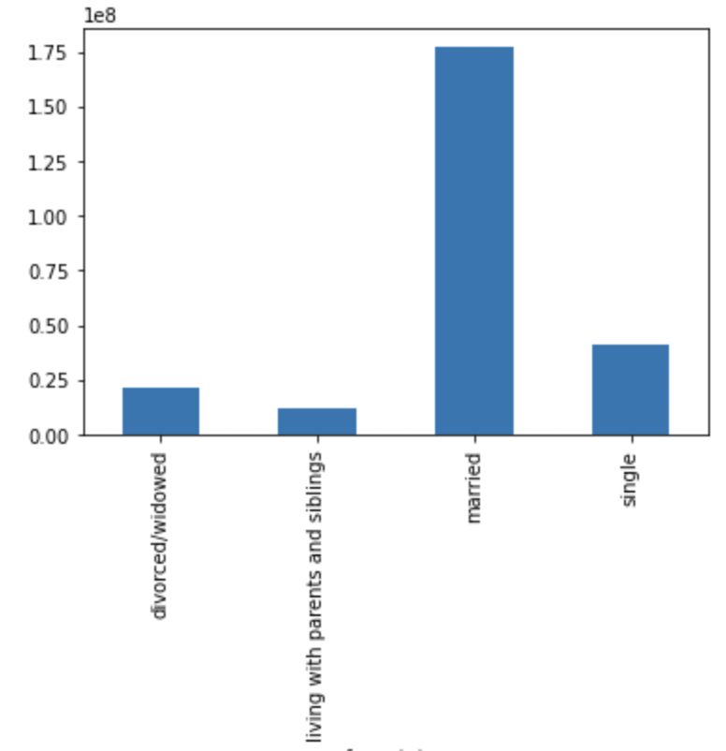

Customer profiling based on age, income and number of dependents shows the married, middle/high income, with dependents makes up the biggest number of customers and contributes the most to sales
Interestingly, the married, high income with dependents is only 4th on both graphs below single with no dependents.

 | Customers by Profile (based on age, income, no. dependents) |  |  |  |  | Customers by Profile (based on age, income, no. dependents)

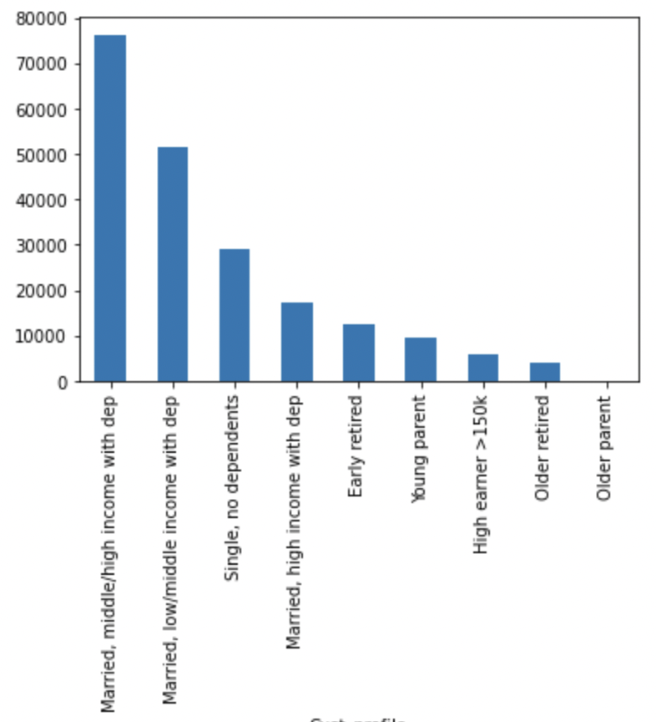
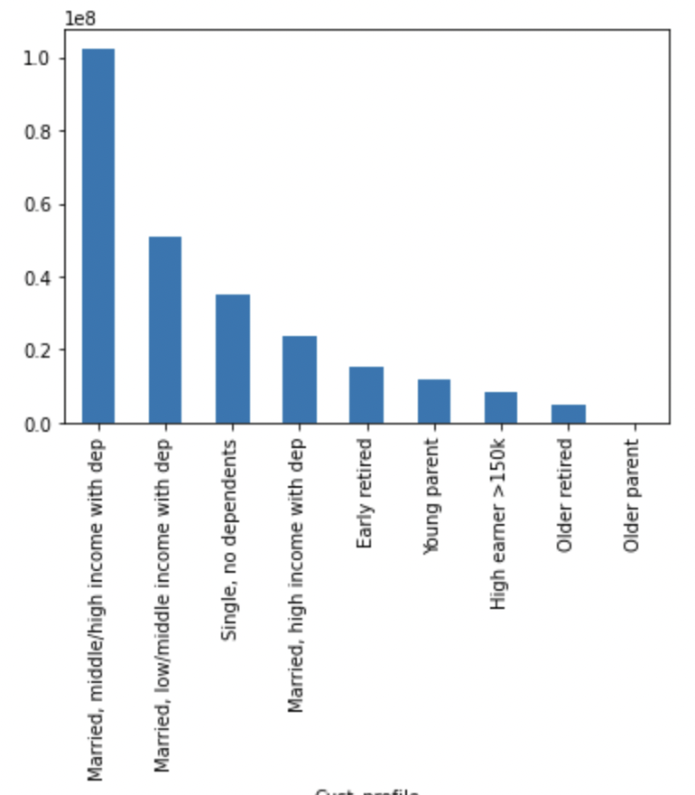

What differences can you find in ordering habits of different customer profiles?

Although the high earner profile makes up a small cut of total customers, they spend on average more than customers across other profiles.

 |  | Average Sales by Customer Profile

7. Recommendations
 |  |  |  |  |  |  | Title page

Recommendations

Question
The sales team needs to know what the busiest days of the week and hours of the day are (i.e., the days and times with the most orders) in order to schedule ads at times when there are fewer orders.

Observations
Saturday and Sunday see the most orders whilst midweek Tuesday and Wednesday are least busy Most orders are made between 10am and 3pm. The busiest period is the afternoon, followed by the evening and then morning.

Recommendation
Schedule mid-week adverts to generate more sales on quieter days. Determine customer profiles to target and determine suitable mediums e.g. YouTube, daytime TV.

 | Number of orders by day of the week |  |  |  |  | Number of orders by hour of the day

 |  |  |  | Legend:
 |  |  |  | 0 = Saturday
 |  |  |  | 1 = Sunday
 |  |  |  | 2 = Monday
 |  |  |  | 3 = Tuesday
 |  |  |  | 4 = Wednesday
 |  |  |  | 5 = Thursday
 |  |  |  | 6 = Friday

Question
They also want to know whether there are particular times of the day when people spend the most money, as this might inform the type of products they advertise at these times.

Observations
Customers spend the most between 2am and 7am which interestingly is when the lowest number of orders is made
Conversely, customers spend the least when the most orders are made c.10am

Recommendation
Tailor adverts to showcase more premium brands during the day to help drive higher average sales.

 | Expenditure throughout the day

Question
Instacart has a lot of products with different price tags. Marketing and sales want to use simpler price range groupings to help direct their efforts.

Observations
Most products are priced between 1 and 15.

Recommendation
Good distribution of product price ranges to target a broad range of customers. Keep as is unless there is a desire to focus on specific customer profiles e.g. high earners.

 | Price Distribution |  |  |  | Price Distribution

 |  |  |  |  |  |  |  |  | Low range 0-5
 |  |  |  |  |  |  |  |  | Mid range 5-15
 |  |  |  |  |  |  |  |  | High range >15

Question
Are there certain types of products that are more popular than others? The marketing and sales teams want to know which departments have the highest frequency of product orders.

Observations
The Produce department sees the most orders by a large margin, followed by Dairy eggs and then Snacks.
The least popular departments are Other and Bulk.

Recommendation
Determine which departments are most profitable and seek to grow sales through targeted advertisements and promotions. Link marketing activities to customer profiles e.g. 'babies' department targeted to customers with babies.

 |  |  | Order Frequency by Department

Question
What’s the distribution among users in regards to their brand loyalty (i.e., how often do they return to Instacart)?

Observations
Almost half of customers fall into the 'Regular customer' category and 32% fall under 'Loyal customer'.

Recommendation
Seek to grow 'Loyal customer ' segment through converting 'Regular customers'. Bring in 'New customers' pipeline with an aim to move through to 'Regular customer' and 'Loyal customer' segments.
Can aim to achieve this via promotions targeted at gaining new customers, offering loyalty cards, loyalty discounts etc.
Undertake market research for further insights on what will help win and retain customers from other supermarkets.

 |  | Customer Loyalty (Max orders)

Question
What different classifications does the demographic information suggest? Age? Income? Certain types of goods? Family status?

Observations
More than half of the customer base is made up of Baby boomers and Generation X
The Millennial generation only makes up a quarter of customers

Recommendation
Seek to grow Millennial customers and aim to lock in their loyalty as they will become the future Generation X

 |  | Customer Generations

Observations
Middle/high income earners account for the largest number of customers and the highest value of sales
No surprising that low earners make up a bigger proportion of customers than high earners but account for lower sales

Recommendation
Explore to see whether high earner customer segment can be grown and whether it would impact the brand negatively. Please see last graph which also illustrated high earners on average spend more than customers in other profiles.

 |  | Customers by Income Bracket |  |  |  |  |  | Sales by Customer Income Bracket

Observations
Married customers make up the largest family status group and also account for the biggest share of sales
The lowest share both in terms of number of customers and sales is the 'living with parents/siblings category'.

Recommendation
Explore possibility of growing 'single' family status market share

 |  | Customers by Family Status |  |  |  |  |  | Customers by Family Status

Observations
Customer profiling based on age, income and number of dependents shows the married, middle/high income, with dependents makes up the biggest number of customers and contributes the most to sales
Interestingly, the married, high income with dependents is only 4th on both graphs below single with no dependents.

Recommendation
Target advertising and loyalty campaigns toward 'married, high income with dependents' customer profile segment.

 | Customers by Profile (based on age, income, no. dependents) |  |  |  | Customers by Profile (based on age, income, no. dependents)

What differences can you find in ordering habits of different customer profiles?

Observations
Although the high earner profile makes up a small cut of total customers, they spend on average more than customers across other profiles.

Recommendation
Explore the possibility of growing the 'high earner' customers including the impact on the brand of targeted marketing would be.

 |  | Average Sales by Customer Profile

